Update the Profile
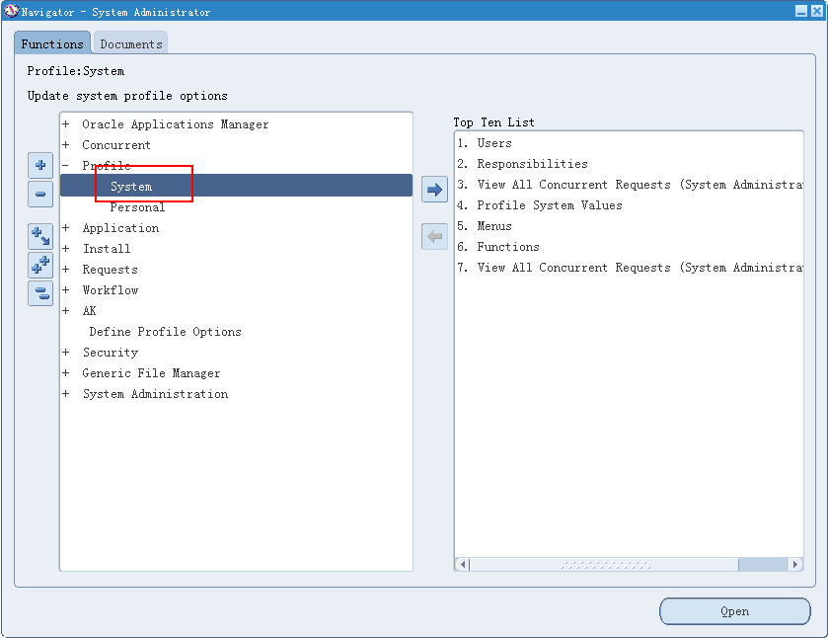

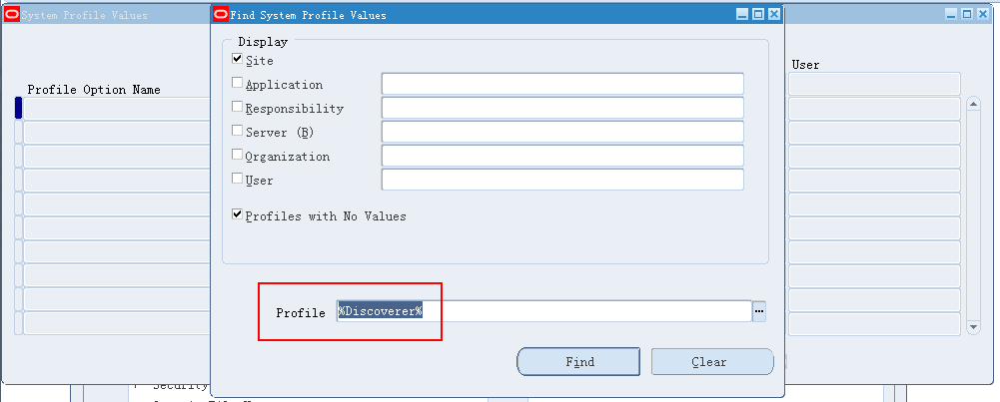

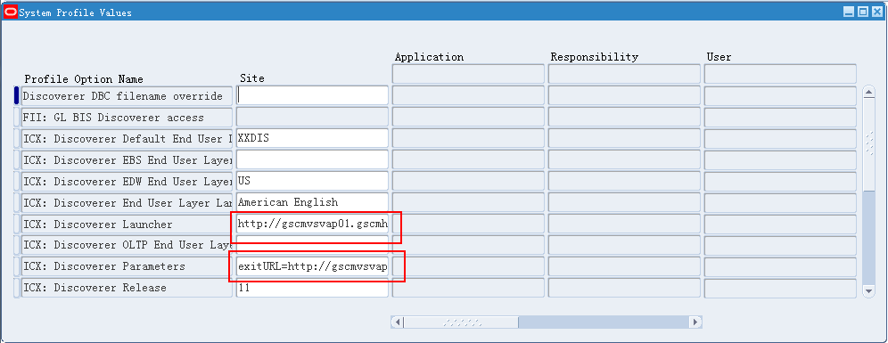

Error Screen Shot
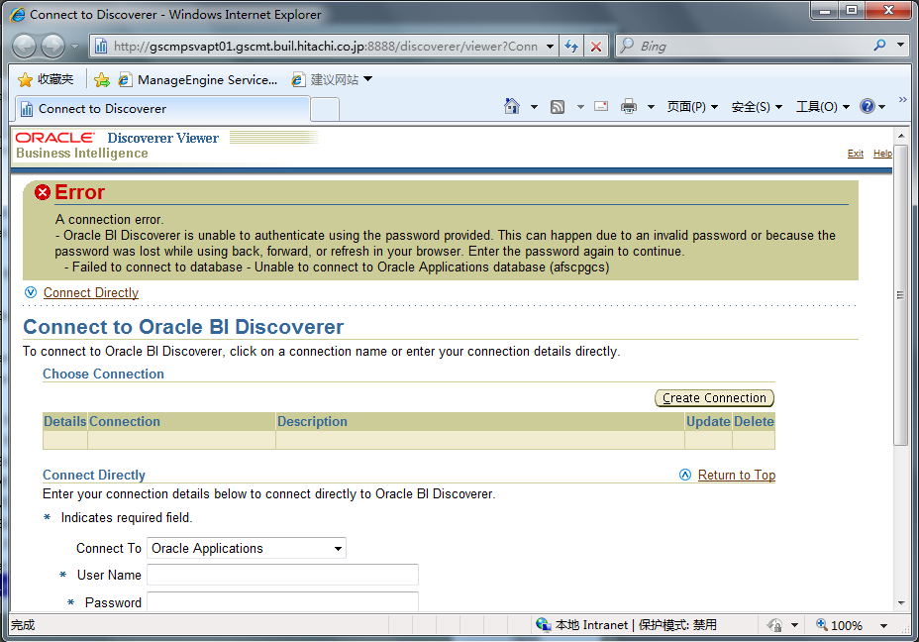

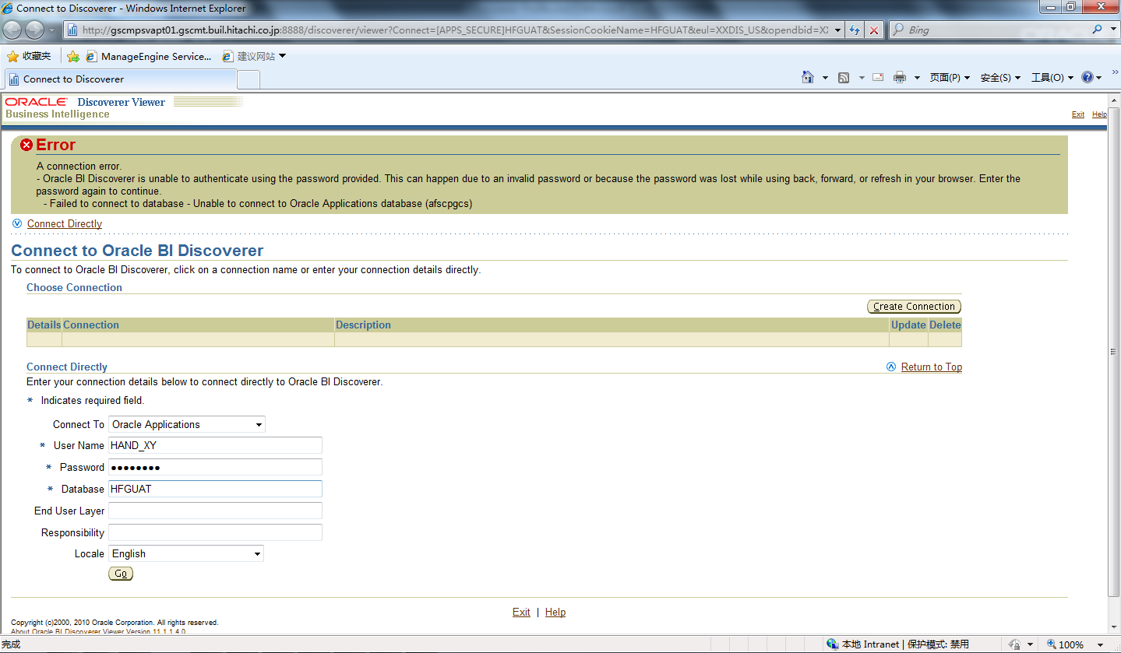

Parameters:
Connect To | Oracle Applications
User Name | HAND_XY
Password | ******
Database | HFG UAT
End User Layer
Responsibility
Locale | English

Parameter Sample
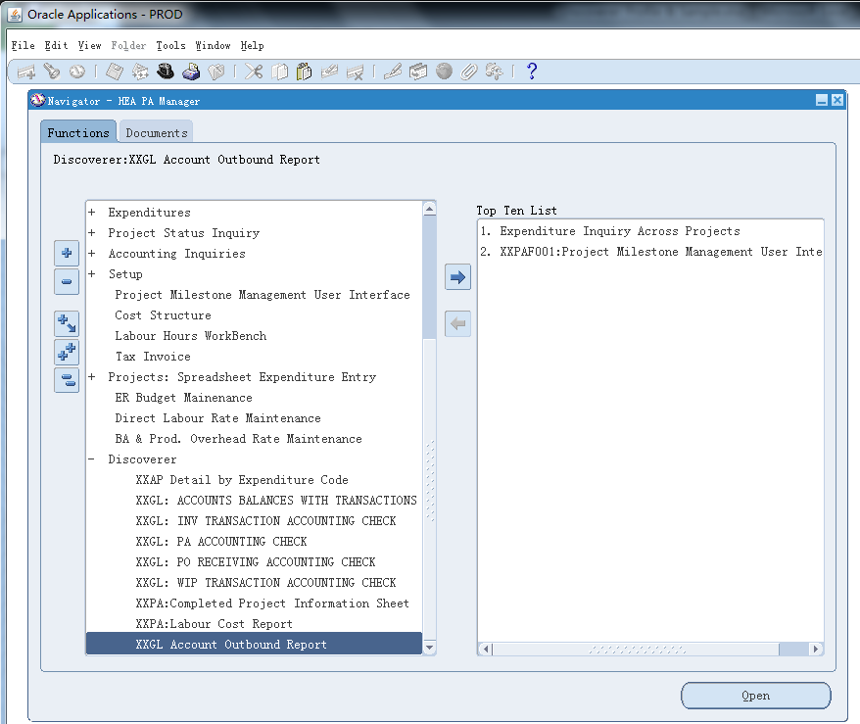
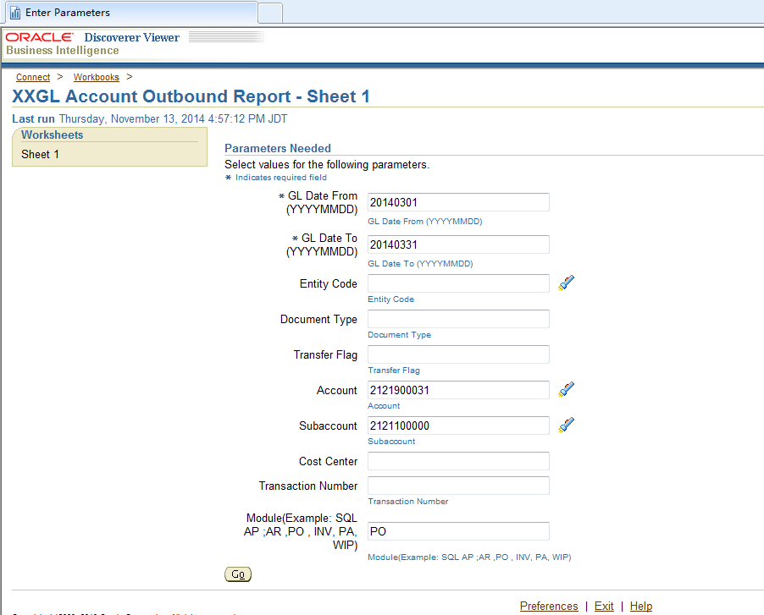
Path: HEA PA Manager -> Discoverer -> XXGL Account Outbound Report

